Sheet1
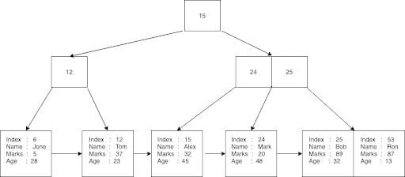
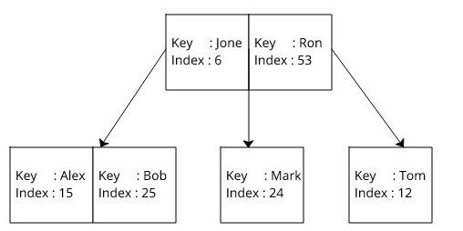
Name | Mark | Age
Jone | 5 | 28
Alex | 32 | 45
Tom | 37 | 23
Ron | 87 | 13
Mark | 20 | 48
Bob | 89 | 32
Ron | 72 | 13
 |  | B+ Tree | B- Tree | (Index on Name) | O(log(n))

